Report
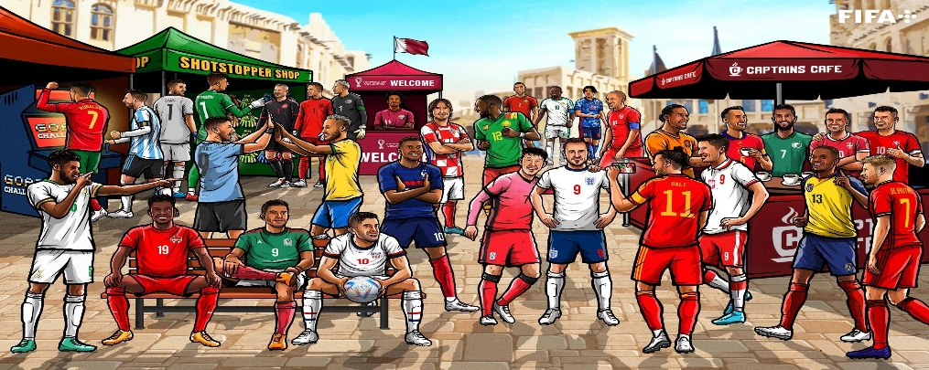
FIFA WORLDCUP-QATAR-2022

Sum of Goals
 | Total
England | 6
Saudi Arabia | 2
Netherland | 2
Ecuador | 2
Iran | 2
Maximum Attempt
 | Total
Tunisia | 12
Denmark | 12
England | 13
Mexico | 14
Argentina | 14
Senegal | 15
Total No of Corners
 | Total
Denmark | 11
Tunisia | 9
Argentina | 9
England | 8
Netherland | 7
Senegal | 6
Mexico | 6
United States | 5
Poland | 5
Ecuador | 3
Wales | 3
Saudi Arabia | 2
Qatar | 1
Iran | 0

Passes and Completed
 | Sum of Passes | Sum of Passes Completed
Denmark | 602 | 532
Tunisia | 406 | 324

Maximum Attempt
 | Total
Tunisia | 12
Denmark | 12
England | 13
Mexico | 14
Argentina | 14
Senegal | 15

Complete and Passes
Group | D

Row Labels | Sum of Passes | Sum of Passes Completed
Denmark | 602 | 532
Tunisia | 406 | 324
Grand Total | 1008 | 856
Passes and Completed

Sum of attempts
Maximum Attempt
Row Labels | Sum of Total Attempts
Tunisia | 12
Denmark | 12
England | 13
Mexico | 14
Argentina | 14
Senegal | 15
Grand Total | 80

Sum of goals
Group | (All)

Sum of goal
Row Labels | Sum of Goal
England | 6
Saudi Arabia | 2
Netherland | 2
Ecuador | 2
Iran | 2
Grand Total | 14

Sheet6
Total No of Corners
Row Labels | Sum of Corners
Denmark | 11
Tunisia | 9
Argentina | 9
England | 8
Netherland | 7
Senegal | 6
Mexico | 6
United States | 5
Poland | 5
Ecuador | 3
Wales | 3
Saudi Arabia | 2
Qatar | 1
Iran | 0
Grand Total | 75

